Ex 6.6


 | X1 | X2
 | 5 | 0
Max Z | 8 | 5 | 40

C1 | 1 | 1 | 5 | <= | 6
C2 | 9 | 5 | 45 | <= | 45

Ex 6.8
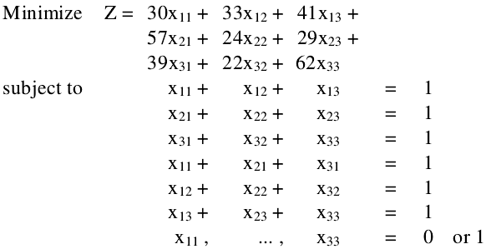

 | x11 | x12 | x13 | x21 | x22 | x23 | x31 | x32 | x33
 | 1 | 0 | 0 | 0 | 0 | 1 | 0 | 1 | 0
 | 30 | 33 | 41 | 57 | 24 | 29 | 39 | 22 | 62 | 81
C1 | 1 | 1 | 1 |  |  |  |  |  |  | 1 | = | 1
C2 |  |  |  | 1 | 1 | 1 |  |  |  | 1 | = | 1
C3 |  |  |  |  |  |  | 1 | 1 | 1 | 1 | = | 1
C4 | 1 |  |  | 1 |  |  | 1 |  |  | 1 | = | 1
C5 |  | 1 |  |  | 1 |  |  | 1 |  | 1 | = | 1
C6 |  |  | 1 |  |  | 1 |  |  | 1 | 1 | = | 1

